Sheet1
dataset | PFS' | Prism | GTREE | RWordle-L | Ours
Sensorless_drive_diagnosis | 0.94 | 0.91 | 0.92 | 1 | 0.99
Condition_based_maintenance | 0.98 | 0.99 | 0.96 | 1 | 0.99
Cup98LRN | 0.98 | 0.79 | 0.94 | 0.88 | 0.92
Google_playstore_sentiment | 0.98 | 0.1 | 0.9 | 1 | 0.99
BeijingPM2.5 | 0.93 | 0.81 | 0.84 | 0.86 | 0.97
Human_activity_recognition | 0.88 | 0.76 | 0.83 | 0.91 | 0.97
Crowd_sourced_mapping | 0.97 | 0.98 | 0.95 | 1 | 0.99
Telescope | 0.94 | 0.9 | 0.93 | 0.99 | 0.98
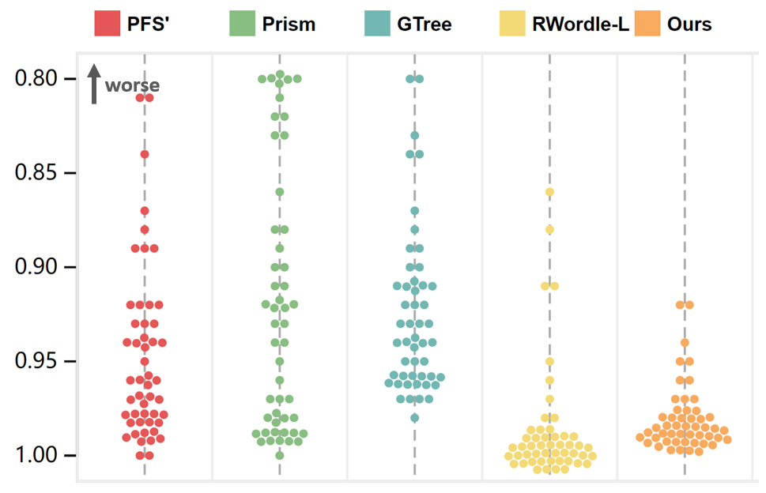
Credit_card_fraud | 0.92 | 0.83 | 0.93 | 0.98 | 0.94
MoCap | 0.94 | 0.89 | 0.88 | 0.99 | 0.96
BlackFriday | 0.99 | 0.99 | 0.98 | 1 | 0.99
2008_cancelled_flights | 0.81 | 0.75 | 0.89 | 0.91 | 0.98
Barcelona_accident | 0.98 | 0.92 | 0.89 | 1 | 0.99
HT_sensor | 0.96 | 0.93 | 0.93 | 1 | 0.99
Epileptic_seizure | 0.97 | 0.99 | 0.96 | 1 | 0.99
Terrorism | 0.89 | 0.56 | 0.87 | 0.95 | 0.98
Mnist_tsne | 0.99 | 0.99 | 0.96 | 1 | 0.99
Swiss_roll_3d | 0.98 | 0.97 | 0.96 | 1 | 0.99
Nomao | 0.92 | 0.86 | 0.94 | 0.99 | 0.98
Person_activity | 0.96 | 0.92 | 0.94 | 1 | 0.99
Diamonds | 0.89 | 0.82 | 0.94 | 0.96 | 0.95
Wine | 0.84 | 0.77 | 0.78 | 0.99 | 0.95
Gas_sensor_array_drift | 0.92 | 0.83 | 0.91 | 0.97 | 0.96
Abalone | 0.97 | 0.97 | 0.97 | 1 | 0.99
Gesture_phase | 0.89 | 0.9 | 0.91 | 0.99 | 0.99
CS_rankings | 0.99 | 0.99 | 0.96 | 1 | 0.99
Satimage | 0.93 | 0.93 | 0.92 | 1 | 0.99
Avila | 0.94 | 0.92 | 0.92 | 0.99 | 0.98
Forest_covertype | 0.92 | 0.92 | 0.91 | 1 | 0.98
Clothes | 0.99 | 0.99 | 0.96 | 1 | 0.99
News_popularity | 0.98 | 0.99 | 0.96 | 1 | 0.99
Grammatical_facial_expression | 0.93 | 0.91 | 0.91 | 0.99 | 0.98
Swiss_roll_2d | 0.97 | 0.96 | 0.94 | 1 | 0.99
Hathi_trust_library | 0.98 | 0.98 | 0.97 | 1 | 0.99
Daily_sports | 0.96 | 0.82 | 0.91 | 0.99 | 0.99
Manhattan | 1 | 0.97 | 0.96 | 1 | 0.99
Phyllotaxis | 1 | 1 | 0.96 | 1 | 0.99
Basketball | 0.94 | 0.94 | 0.94 | 1 | 0.99
Dc_census_citizens | 0.95 | 0.94 | 0.91 | 1 | 0.99
Chicago_crimes | 0.96 | 0.95 | 0.93 | 1 | 0.98
DBLP_samples | 0.99 | 0.99 | 0.97 | 1 | 0.99
Music | 0.98 | 0.98 | 0.96 | 1 | 0.99
News | 0.99 | 0.98 | 0.95 | 1 | 0.99
Paleontology | 0.98 | 0.99 | 0.97 | 1 | 0.99
COVID-19_deaths | 0.81 | 0.88 | 0.9 | 1 | 0.98
GridGena | 0.97 | 0.98 | 0.95 | 1 | 0.97
GaAsH6 | 0.96 | 0.99 | 0.96 | 1 | 0.99
Copter | 0.99 | 0.99 | 0.96 | 1 | 0.99
News_aggregator | 0.87 | 0.92 | 0.71 | 0.98 | 0.99
GNFUV | 0.94 | 0.88 | 0.84 | 0.99 | 0.92

